Overview

 | MAG ALP Essential Skills List | Version 1 April 2019

Overview
The Skill Development Pathway aims to provide a detailed list of skill expectations based on each gymnast’s age. Following this plan will also provide coaches with a simple way to test and track development in order to outline strengths and weaknesses in both the gymnasts and the programs.

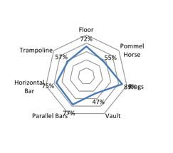
Evaluation Process
Gymnasts should be evaluated based on a development score of between 0 and 4 using the following criteria:
Score of 0
· The gymnast has not begun to learn or develop toward the skill

Score of 1 (Beginner)
· The gymnast shows a basic understanding of the DMP’s involved in the skill
· The gymnast can demonstrate basic drills or progressions toward the skill

Score of 2 (Intermediate Development)
· The gymnast can show the skill with assistance from the coach
· The gymnast can show the skill with significantly modified conditions (e.g. foam pit, heavily matted bars)

Score of 3 (Advanced Development)
· The gymnast can competently show the skill with the coach standing in for safety but not assisting
· The gymnast can competently show the skill under lightly modified conditions (e.g. mat in pit at floor height, bar pad ready in case needed).

Score of 4 (Competition Standard)
· The skill is safe and able to be used in connection with other elements (1/2 or full routine)
· The gymnast is completing the skill consistently and performing it at a high standard (e.g. The execution deductions do not outweigh the skills difficulty value)

Once a score has been entered for each skill a total percentage score is calculated for each apparatus and displayed on a graph. (See example)

